Constants and Properties
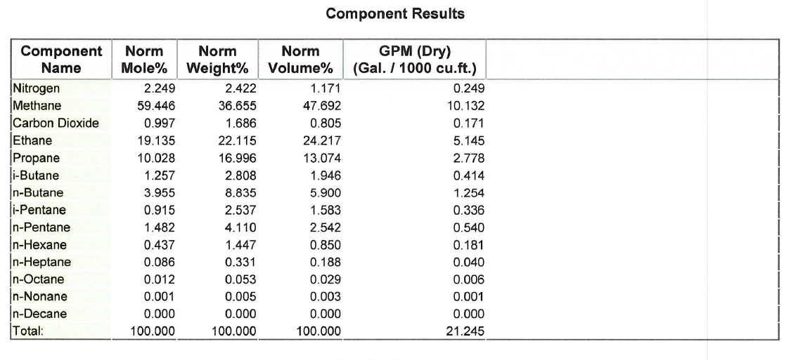
Constants, Properties, Ratings, Pi Tags
Gas Properties to Cooler
Component | mole % | Cp at ~200 deg F | xi*Cp,i | Cp,mix [BTU/lb/°F] | Molar mass (lb/lb-mol) | xi*MM,i | MM, mix (lb/lb-mol)
Nitrogen | 0.02249 | 0.24 | 0.0053976 | 0.54375471 | 28 | 0.62972 | 26.00881039
$$C_{p,mix}=\sum_{i}{x_{i}C_{p,i}}$$
Methane | 0.59446 | 0.552 | 0.32814192 |  | 16.05 | 9.541083
Carbon Dioxde | 0.00997 | 0.219 | 0.00218343 |  | 44 | 0.43868
Ethane | 0.19135 | 0.584 | 0.1117484 |  | 30 | 5.7405
$${MM}_{mix}=\sum_{i}{x_{i}{MM}_{i}}$$
Propane | 0.10028 | 0.533 | 0.05344924 |  | 44.1 | 4.422348
i-Butane | 0.01257 | 0.535 | 0.00672495 |  | 58.124 | 0.73061868
n-Butane | 0.03955 | 0.518 | 0.0204869 |  | 58.124 | 2.2988042
i-Pentane | 0.00915 | 0.567 | 0.00518805 |  | 72.151 | 0.66018165
n-Pentane | 0.01482 | 0.522 | 0.00773604 |  | 72.151 | 1.06927782
n-Hexane | 0.00437 | 0.505 | 0.00220685 |  | 86.18 | 0.3766066
n-Heptane | 0.00086 | 0.497 | 0.00042742 |  | 100 | 0.086
n-Octane | 0.00012 | 0.492 | 0.00005904 |  | 114.232 | 0.01370784
n-Nonane | 0.00001 | 0.487 | 0.00000487 |  | 128.26 | 0.0012826
n-Decane | 0 | 0.483 | 0 |  | 142 | 0

Rated Duty (1000 BTU/hr) - Inlet Coolers
Cooler type | IC-1 | IC-2 | IC-3 | AC | EJW | TAW/CLO
H156-3-60 | 2073.0938491 | 1436.6250512 | 1663.5389473 | 1791.6002491 | 2654 | 4139.3
H156-2-44 | 842.86663291 | 940.00683249 | 1269.4780018 | 1107.7874454 | 1305.8 | 2101.6 |  |  |  | Rated Duty (1000 BTU/hr) - Inlet Coolers - Spec Sheet
 |  |  |  |  |  |  |  |  |  | Cooler type | IC-1 | IC-2 | IC-3 | AC | EJW | TAW/CLO
Relevant Pi Tags - Inlet Coolers |  |  |  |  |  |  |  |  |  | H156-3-60 | 3050 | 2516 | 2958 | 4103 | 2654 | 4139.3
Cooler # | IC-1 |  | IC-2 |  | IC-3 |  | AC/IC-4 |  | FIT | H156-2-44 | 1050.1 | 1270.6 | 1561 | 2433.5 | 1305.8 | 2101.6
 | T_in | T_out | T_in | T_out | T_in | T_out | T_in | T_out | -
1 | Compressor discharge temp (From Op Rounds) | 752111 | From Op Rounds | 752112 | From Op Rounds | 752113 | From Op Rounds | 752114 | 752101 | Rated Duty (1000 BTU/hr) - FG Coolers - Spec Sheet
2 | | | 752211 | | | 752212 | | | 752213 | | | 752214 | 752201 | Cooler type | AC | EJW | TAW
3 | | | | | | | | | | | | | | | | | | | H120-1-16 | 2431.6 | 187.07 | 136.11
4 | | | | | | | | | | | | | | | | | |
5 | V | V | V | V | V | V | V | V | V | Rated Duty (1000 BTU/hr) - Refrig Coolers - Spec Sheet
 |  |  |  |  |  |  |  |  |  | Cooler type | EJW | TAW
Rated Duty (1000 BTU/hr) - FG Coolers |  |  |  |  |  |  |  |  |  | H90-1-12 | 2971.3 | 395.9
Cooler type | AC | EJW | TAW
H120-1-16 | 1698.0239812 | 187.07 | 136.11

Relevant Pi Tags - FG Coolers
Cooler # | AC |  | EJW |  | TAW |  | FIT
 | T_in | T_out | T_in | T_out | T_in | T_out | -
1 | Cylinder outlet temps (from operator rounds) | 758113 | From Op Rounds | From Op Rounds | ? | ? | 758111
2
3

Rated Duty (1000 BTU/hr) - Refrig Coolers
Cooler type | EJW | TAW
H90-1-12 | 2971.3 | 395.9

Relevant Pi Tags - Refrig Coolers
Cooler # | EJW |  | TAW
 | T_in | T_out | T_in | T_out
1 | From Op Rounds | From Op Rounds | ? | ?
2

